INSTRUCTIONS
LOCAL GOVERNMENT ENERGY AUDIT (LGEA) PROGRAM
for local & state governments and select non-profits
LGEA Application Workbook
July 1, 2022 - June 30, 2023


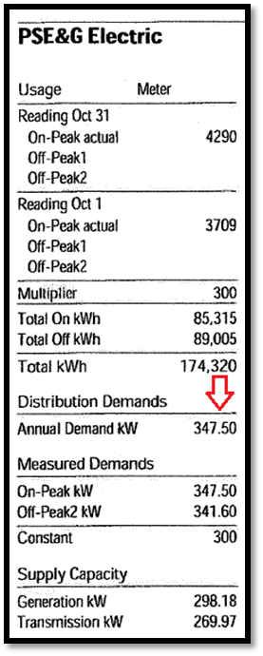

Each building's eligibility will be determined based on the average peak electrical demand, which must be greater than 200kW. Waivers to the kW requirement are available and detailed on the Application.
Demand is measured in kilowatts (kW) and expresses the maximum use of electricity at any time during a month in a facility. Because each utility company conveys this usage information differently, please refer to the sample bills to the left for assistance with locating the kW on an electric bill. Contact us at LGEA@NJCleanEnergy.com for assistance or more examples.
Applicants that are customers of municipal or cooperative electric companies may be unable to determine peak electric demand based on a review of the monthly electric bills and should contact the program at LGEA@NJCleanEnergy.com for assistance.
• Borough of Butler • Borough of Lavallette
• Borough of Madison • Borough of Milltown
• Borough of Park Ridge • Borough of Pemberton
• Borough of Seaside Heights • Borough of South River
• City of Vineland • Sussex Rural Electric Cooperative
INSTRUCTIONS |  |  |  |  |  |  |  | AVERAGE kW INSTRUCTIONS (column P on Buildint & Utility Data)
Complete the information on the Building & Utility Data tab for all buildings you wish to have audited. Please include as much of the information as possible.
This list should include all buildings owned and/or leased by the Applicant. Each building should be listed separately on each line; a building is defined as a stand alone structure. If you are unsure if a facility should be considered one building or multiple buildings (which may be the case with water, wastewater, and other processing facilities), please email LGEA@NJCleanEnergy.com for guidance before submitting the application. If a Request for Information (RFI) is made, you will have 30 days to provide the follow-up information. If the information is not received within the designated time period, the Program Manager reserves the right to reject the application.
If submitting an application for a campus or other master meter arrangement, list each shared or main account on a separate line and list the applicable buildings below it. You must include data for each individual building (i.e. address, square feet, etc.) and identify if any sub-metering exists in the Notes section in the right most column.
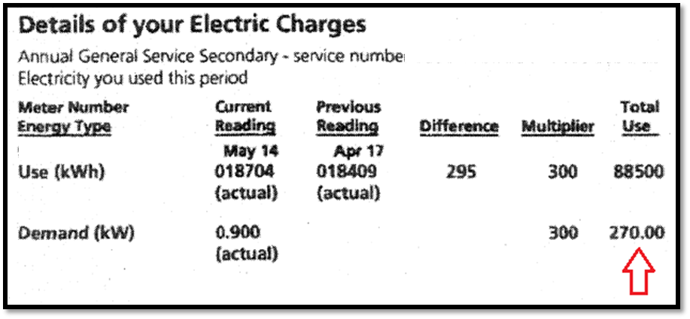
Please remember to note any additional information not covered in this worksheet but pertinent to the energy audit in the Notes column to the right. If applicable, describe things such as metering arrangements, on-site generation, fuel or battery storage capabilities, facility changes of use, plans for gut rehab, or major construction, etc.

EXCLUDED BUILDINGS
List any buildings to be excluded from the audit and why.

AVERAGE ELECTRIC DEMAND (KW) CALCULATOR

 |  | This is a feature to help LGEA applicants determine their average electric demand (kW). From electric bills, you may enter the kW per month in these light blue cells below. The Avg kW will populate for you for easy entry into Building & Utility Data. This calculator is provided for convienence and it's use is OPTIONAL.
 |  |  |  |  |  |  |  |  |  |  |  |  |  |  |  |  | Value to enter in Column P "Building & Utility Data" per Building
 |  |  | Month 1 | Month 2 | Month 3 | Month 4 | Month 5 | Month 6 | Month 7 | Month 8 | Month 9 | Month 10 | Month 11 | Month 12 | Month 13 | Month 14 | Annual Avg kW
 | Example |  | 150 | 200 | 230 | 220 | 210 | 205 | 209 | 221 | 226 | 200 | 170 | 160 | 177 | 180 | 202
 | Building 1
 | Building 2
 | Building 3
 | Building 4
 | Building 5
 | Building 6
 | Building 7
 | Building 8
 | Building 9
 | Building 10
 | Building 11
 | Building 12
 | Building 13
 | Building 14
 | Building 15
 | Building 16
 | Building 17
 | Building 18
 | Building 19
 | Building 20

