Annual Capacity
 |  |  |  |  |  |  |  |  |  |  |  |  |  |  |  | Previously Reported through 11/30/17 |  | Difference between 11/30/17 and 12/31/17
 |  | Residential (kW) |  | Non-Residential |  | Non-Residential |  | Non-Residential |  | Non-Residential |  | Grid Supply (kW) |  | Total of All Projects as of 12/31/17 (kW)
 |  |  |  | < = 100 (kW) |  | > 100 to < 1000 (kW) |  | > = 1000 (kW) |  | Total (kW) |  |  |  |  |  | Total Qty | Total Capacity (kW) | Total Qty | Total Capacity (kW)
2012-01-01 | Year | Qty | Capacity | Qty | Capacity | Qty | Capacity | Qty | Capacity | Qty | Capacity | Qty | Capacity | Total Qty | Total Capacity
 | 2000 | 4 | 12 | 2 | 11 | 0 | 0 | 0 | 0 | 2 | 11 | 0 | 0 | 6 | 23 | 6 | 23 | 0 | 0
 | 2001 | 2 | 5 | 0 | 0 | 0 | 0 | 0 | 0 | 0 | 0 | 0 | 0 | 2 | 5 | 2 | 5 | 0 | 0
 | 2002 | 25 | 73 | 9 | 324 | 1 | 262 | 0 | 0 | 10 | 586 | 0 | 0 | 35 | 659 | 35 | 659 | 0 | 0
 | 2003 | 65 | 365 | 17 | 282 | 1 | 480 | 0 | 0 | 18 | 762 | 0 | 0 | 83 | 1,127 | 83 | 1,127 | 0 | 0
 | 2004 | 253 | 1,530 | 42 | 382 | 2 | 623 | 0 | 0 | 44 | 1,005 | 0 | 0 | 297 | 2,535 | 297 | 2,535 | 0 | 0
 | 2005 | 626 | 4,626 | 78 | 1,030 | 16 | 3,923 | 0 | 0 | 94 | 4,953 | 0 | 0 | 720 | 9,579 | 720 | 9,579 | 0 | 0
 | 2006 | 747 | 5,353 | 105 | 1,882 | 36 | 11,097 | 0 | 0 | 141 | 12,979 | 0 | 0 | 888 | 18,331 | 888 | 18,331 | 0 | 0
 | 2007 | 527 | 3,852 | 95 | 2,133 | 26 | 8,353 | 0 | 0 | 121 | 10,486 | 0 | 0 | 648 | 14,339 | 648 | 14,339 | 0 | 0
 | 2008 | 654 | 4,921 | 170 | 3,874 | 44 | 13,247 | 4 | 6,134 | 218 | 23,256 | 0 | 0 | 872 | 28,176 | 872 | 28,176 | 0 | 0
 | 2009 | 1,058 | 8,022 | 243 | 6,808 | 88 | 24,236 | 9 | 15,299 | 340 | 46,342 | 5 | 3,371 | 1,403 | 57,735 | 1,403 | 57,735 | 0 | 0
 | 2010 | 2,136 | 16,487 | 380 | 12,753 | 154 | 45,625 | 12 | 20,987 | 546 | 79,365 | 19 | 25,187 | 2,701 | 121,039 | 2,701 | 121,039 | 0 | 0
 | 2011 | 5,114 | 42,945 | 821 | 26,280 | 435 | 134,006 | 50 | 106,496 | 1,306 | 266,782 | 51 | 137,619 | 6,471 | 447,346 | 6,471 | 447,346 | 0 | 0
2014-01-01 | 2012 | 5,307 | 45,807 | 631 | 22,314 | 413 | 120,417 | 47 | 87,882 | 1,091 | 230,614 | 23 | 56,794 | 6,421 | 333,215 | 6,421 | 333,215 | 0 | 0
 | 2013 | 5,959 | 47,943 | 265 | 10,666 | 228 | 74,009 | 26 | 64,412 | 519 | 149,087 | 18 | 23,162 | 6,496 | 220,193 | 6,496 | 220,193 | 0 | 0
 | 2014 | 6,819 | 55,275 | 113 | 4,194 | 102 | 35,309 | 10 | 45,163 | 225 | 84,667 | 8 | 63,371 | 7,052 | 203,312 | 7,052 | 203,312 | 0 | 0
2015-01-01 | 2015 | 12,768 | 101,078 | 112 | 3,672 | 83 | 26,254 | 7 | 21,630 | 202 | 51,556 | 8 | 41,684 | 12,978 | 194,317 | 12,970 | 194,274 | 8 | 44
2016-01-01 | 2016 | 21,548 | 177,642 | 211 | 6,267 | 121 | 41,969 | 18 | 42,480 | 350 | 90,715 | 22 | 136,222 | 21,920 | 404,580 | 21,881 | 404,264 | 39 | 315
2017-01-01 | 2017 | 16,805 | 144,734 | 225 | 7,473 | 134 | 48,682 | 15 | 42,387 | 374 | 98,542 | 6 | 56,753 | 17,185 | 300,029 | 15,818 | 270,522 | 1,367 | 29,507

 | Total | 80,417 | 660,670 | 3,519 | 110,345 | 1,884 | 588,493 | 198 | 452,869 | 5,601 | 1,151,707 | 160 | 544,162 | 86,178 | 2,356,540 | 84,764 | 2,326,674 | 1,414 | 29,866

 | *Note: All projects with a Permission to Operate (“PTO”) date will be reported as installed in the month/year in which the PTO was issued. There are 428 projects, mostly older, that did not report a PTO date to the program. These projects are reported as installed in the month/year in which the project reached QA/QC status.

YTD

Annual Capacity - Graph
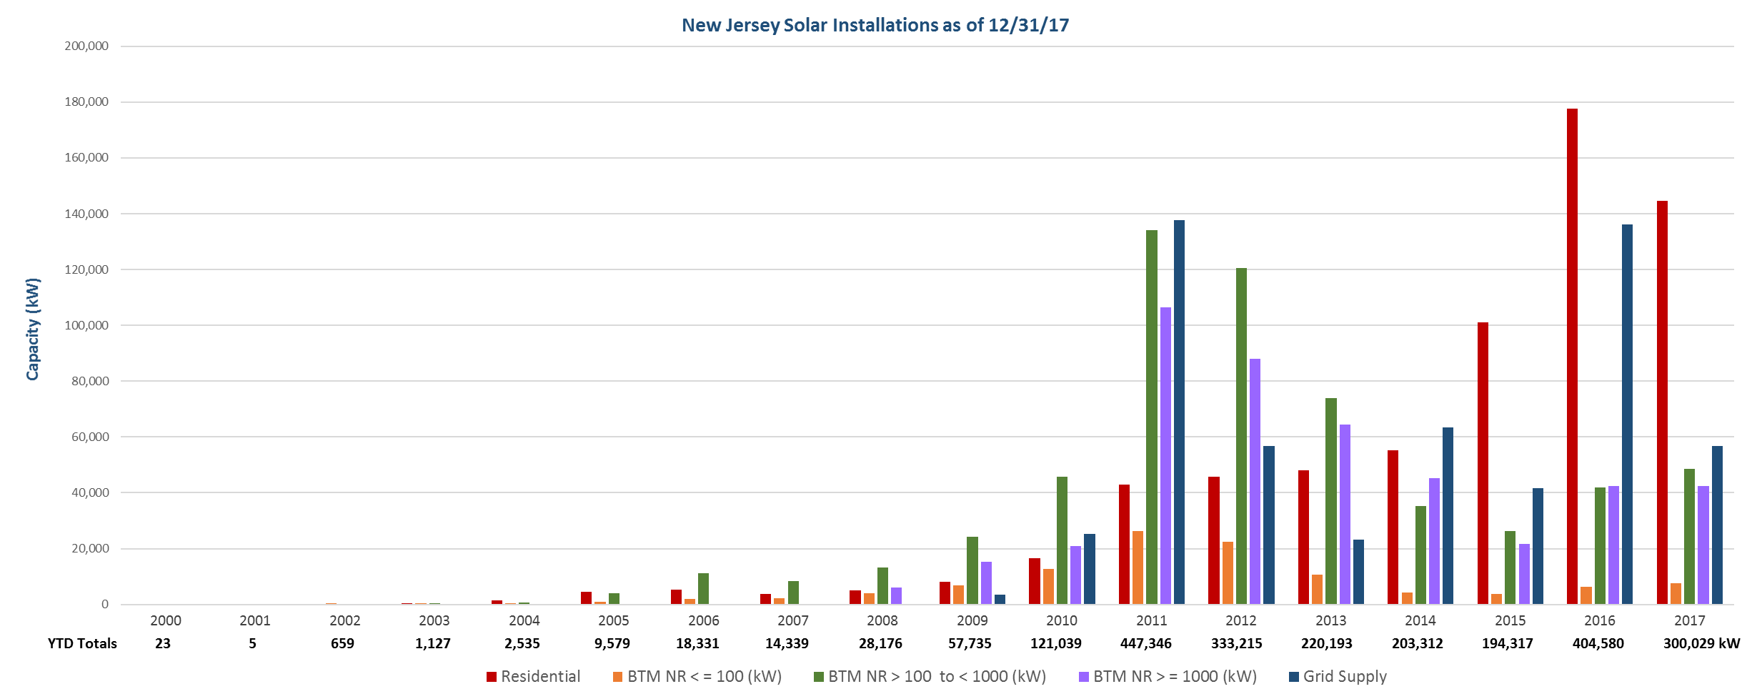

by County - Graph
